losses
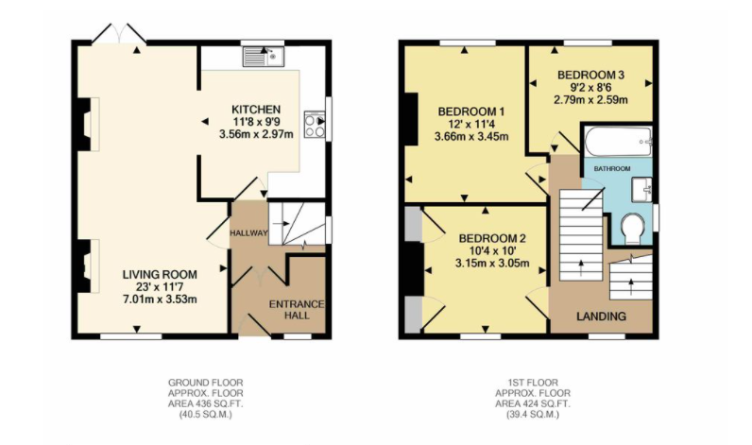
 | uninsulated house
semi detached building | U value (W/m2/K) | area (m2) | temperature difference | loss (W)
side wall | 0.69 |  | 10 | 0
front wall | 0.69 |  | 10 | 0
back wall | 0.69 |  | 10 | 0
windows | 5 |  | 10 | 0
doors | 2.4 |  | 10 | 0
roof | 1.1 |  | 10 | 0
floor | 5 |  | 10 | 0
 |  |  |  | 0

 | in 7 hours | 0.0 | kWh

 | insulated house
building | U value (W/m2/K) | area (m2) | temperature difference | loss (W)
side wall | 0.29 | 0.0 | 10 | 0
front wall | 0.29 | 0.0 | 10 | 0
back wall | 0.29 | 0.0 | 10 | 0
windows | 2.9 | 0.0 | 10 | 0
doors | 2.4 | 0.0 | 10 | 0
roof | 0.3 | 0.0 | 10 | 0
floor | 2.8 | 0.0 | 10 | 0
 |  |  |  | 0

 | in 7 hours | 0.0 | kWh

